Gantt
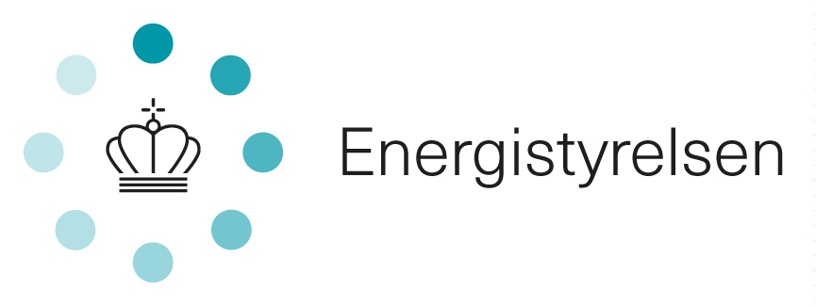
Gantt diagram | Please note: This file includes two sheets to be filled in

Project title:
Project start:
Project end:
Year/År | 2022 |  |  |  |  |  |  |  |  |  |  |  | 2023 |  |  |  |  |  |  |  |  |  |  |  | 2024 |  |  |  |  |  |  |  |  |  |  |  | 2025
Work packages/Projektets arbejdspakker: | 1 | 2 | 3 | 4 | 5 | 6 | 7 | 8 | 9 | 10 | 11 | 12 | 1 | 2 | 3 | 4 | 5 | 6 | 7 | 8 | 9 | 10 | 11 | 12 | 1 | 2 | 3 | 4 | 5 | 6 | 7 | 8 | 9 | 10 | 11 | 12 | 1 | 2 | 3 | 4 | 5 | 6 | 7 | 8 | 9 | 10 | 11 | 12

Milestones/Milepæle
M1
M2
M3
M4
M5
M6
M7
M8
M9
M10

Vejledning: Se dokumentet Vejledning/ please see Guidelines.

Dette skema er forberedt til op til 10 milepæle i alt. Flere kan tilføjes hvis nødvendigt./ This form is prepared for 10 milestones. If nescessary, further can be added

