Index
This file contains the technology data sheets related to industrial process heat. The data sheets are continuously updated as technologies evolve, if the data changes significantly or if errors are found. Dates and descriptions of updates are listed in the ammendment sheet below.
INDEX | Technology Data for Industrial Process Heat
HP APP POT overlap | All cost data is in 2019€
301.1a heat pump 60 C 40 K
301.1b heat pump 70 C 50 K
301.1c heat pump 80 C 60 K
301.2 heat_cool hp 80 C 75 K
302.a High temp. hp Up to 125 C | Date | Sheet | Change | Notes
302.b High temp. hp Up to 150 | 2022-12-15 | 310.1a-310.2b | Electric boilers replaced and updated
303 Booster hp 150 C 130 K | 2021-11-01 | 401-403 CC | Carbon capture removed and transferred to the Technology Catalogue for Carbon Capture, Transport and Storage
304 Heat driven hp 80 C | 2020-10-01 | 401-403 CC | Carbon capture added
305 MVR 5 K
306 Thermal gasification
307 Hotdisc
308 Dielectric heating
309 Infrared (IR)
310.1a Electric boiler steam
310.1b Electric boiler steam
310.2a Electric boiler hot water
310.2b Electric boiler hot water
311.1a Steam boiler Coal
311.1b Steam boiler Oil
311.1c Steam boiler Gas
311.1d Steam boiler Gas cond
311.1e Steam boiler Wood
311.1f Steam boiler Wood cond
311.2a Hot water boiler, Coal
311.2b Hot water boiler Oil
311.2c Hot water boiler Gas
311.d Hot water boiler Gas cond
311.2e Hot water boiler Wood
311.2fHot waterboiler Wood cond
312.a Direct firing Natural Gas
312.b Direct firing Sold Fuels
312.c Direct firing Electricity

312.a Direct firing Natural Gas
Technology | Direct Firing, Natural Gas |  |  |  |  |  |  |  |  |  | Full application potential |  |  | "x,n" indicate which end-use, n ref. to note" | 1.Food, beverages and tobacco |  | 2.Commodity production |  | 3.Cement and non-metallic mineral (+Extraction of gravel and stone) |  | 4.Chemical industry |  | 5.Metals, machinery and electronics |  | Current application potential |  |  | "x,n" indicate which end-use, n ref. to note" | 1.Food, beverages and tobacco |  | 2.Commodity production |  | 3.Cement and non-metallic mineral (+Extraction of gravel and stone) |  | 4.Chemical industry |  | 5.Metals, machinery and electronics
Energy/technical data | 2020 | 2030 | 2040 | 2050 | 2030 |  | 2050 |  | Note | Ref | Technology |  |  |  |  |  |  |  |  |  |  |  |  |  | Technology
 |  |  |  |  | Lower | Upper | Lower | Upper |  |  |  | Energy services | End-use |  |  |  |  |  |  |  |  |  |  |  |  | Energy services | End-use
Heat generation capacity for one unit (MW) | 2.5 | 2.5 | 2.5 | 2.5 | 1 | 10 | 1 | 10 |  | 2 |  |  |  |  | Direct % | Indirect % | Direct % | Indirect % | Direct % | Indirect % | Direct % | Indirect % | Direct % | Indirect % |  |  |  |  | Direct % | Indirect % | Direct % | Indirect % | Direct % | Indirect % | Direct % | Indirect % | Direct % | Indirect %
Total efficiency, net (%), nominel load | 100 | 100 | 100 | 100 | 100 | 100 | 100 | 100 | A | 2 | Direct Firing, Natural Gas | High temperature | 6. Firing /Sintering | x | 100% | 0% | 100% | 0% | 100% | 0% | 20% | 0% | 100% | 0% | Direct Firing, Natural Gas | High temperature | 6. Firing /Sintering | x | 75% | 0% | 75% | 0% | 40% | 0% | 20% | 0% | 10% | 0%
Total efficiency, net (%), annual average | 100 | 100 | 100 | 100 | 100 | 100 | 100 | 100 | A | 2 |  |  | 7. Melting /Casting | x |  |  |  |  |  |  |  |  |  |  |  |  | 7. Melting /Casting | x
Auxiliary electricity consumption (% of heat gen) | 0.25 | 0.25 | 0.25 | 0.25 | 0.10 | 1.00 | 0.10 | 1.00 |  | 8, 9 |  |  | 9. Other processes >150C | x |  |  |  |  |  |  |  |  |  |  |  |  | 9. Other processes >150C | x
Forced outage (%) | 0.25 | 0.25 | 0.25 | 0.25 | 0.00 | 0.50 | 0.00 | 0.50 |  | 2 |  | Medium temperature | 2. Heating/Boiling | x | 100% | 0% | 100% | 0% | 100% | 0% | 100% | 0% | 0% | 0% |  | Medium temperature | 2. Heating/Boiling | x | 75% | 0% | 75% | 0% | 30% | 0% | 75% | 0% | 0% | 0%
Planned outage (weeks per year) | 0.5 | 0.5 | 0.5 | 0.5 | 0 | 1 | 0 | 1 |  | 2 |  |  | 3. Drying | x |  |  |  |  |  |  |  |  |  |  |  |  | 3. Drying | x
Technical lifetime (years) | 15 | 15 | 15 | 15 | 10 | 20 | 10 | 20 |  | 4 |  |  | 4. Dewatering |  |  |  |  |  |  |  |  |  |  |  |  |  | 4. Dewatering
Construction time (years) | 0.01 | 0.01 | 0.01 | 0.01 | 0.01 | 0.04 | 0.01 | 0.04 |  | 2 |  |  | 5. Distillation |  |  |  |  |  |  |  |  |  |  |  |  |  | 5. Distillation
Regulation Ability |  |  |  |  |  |  |  |  |  |  |  |  | 8.Other processes <150⁰C, | x |  |  |  |  |  |  |  |  |  |  |  |  | 8.Other processes <150⁰C, | x
Minimum load (% of full load) | 10 | 10 | 10 | 10 |  |  |  |  |  | 6 |  | Room heat | 12. spatial heating |  | 0% | 0% | 0% | 0% | 0% | 0% | 0% | 0% | 0% | 0% |  | Room heat | 12. spatial heating |  | 0% | 0% | 0% | 0% | 0% | 0% | 0% | 0% | 0% | 0%
Warm start-up time (hours) | 0.01 | 0.01 | 0.01 | 0.01 |  |  |  |  |  | 2
Cold start-up time (hours) | 0.01 | 0.01 | 0.01 | 0.01 |  |  |  |  |  | 2
Environment
SO2 (g per GJ fuel) | 0.3 | 0.3 | 0.3 | 0.3 |  |  |  |  |  | 1 | Potential overlap for the full applcaition potential
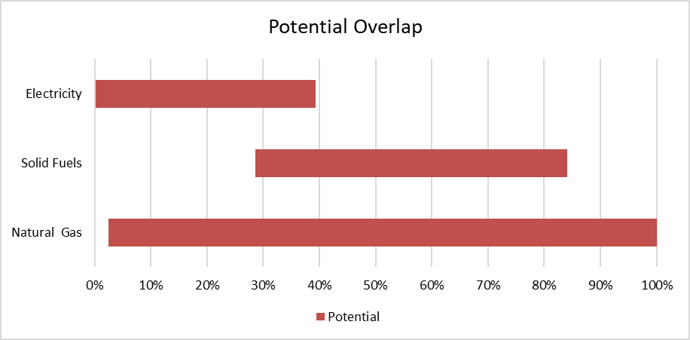
PM2.5 (g per GJ fuel) | 0.1 | 0.1 | 0.1 | 0.1 |  |  |  |  |  | 1 |  |  |  |  |  |  |  |  | Nat Gas | 2% | 100%
NOX (g per GJ fuel) | 9 | 7 | 6 | 6 |  |  |  |  |  | 1 |  |  |  |  |  |  |  |  | Solid Fuels | 29% | 84%
CH4 (g per GJ fuel) | 3 | 2 | 2 | 2 |  |  |  |  |  | 1 |  |  |  |  |  |  |  |  | Electricity | 0% | 39%
N2O (g per GJ fuel) | 1 | 1 | 1 | 1 |  |  |  |  |  | 1
Financial data
Nominal investment (M€ per MW) | 0.015 | 0.015 | 0.015 | 0.015 |  |  |  |  | B | 4, 7
- of which equipment (%) | 67 | 67 | 67 | 67 |  |  |  |  |  | 7
- of which installation (%) | 33 | 33 | 33 | 33 |  |  |  |  |  | 7
Fixed O&M (€/MJ/s/year) | 182 | 177 | 173 | 155 |  |  |  |  | C | 2, 1
Variable O&M (€/MWh) | 0.28 | 0.28 | 0.28 | 0.28 |  |  |  |  |  | 1
- of which is electricity costs (€/MWh) | 0.2 | 0.2 | 0.2 | 0.2 |  |  |  |  | D | 7
- of which is other O&M costs (€/MWh) | 0.10 | 0.09 | 0.09 | 0.09 |  |  |  |  | C | 1

Technology specific data
Indirect investments cost (M€ per MW) | - | - | - | - |  |  |  |  | E | -
Non energy gains (M€ per MW) | - | - | - | - |  |  |  |  |  | -
Startup cost (€/MW/startup) | - | - | - | -
Carbon capture removal of CO2 emissions (% of emission) | 90 | 90 | 90 | 90 |  |  |  |  |  | 5
Temperature heat source supply (°C) | - | - | - | -
Temperature heat source return (°C) | - | - | - | -
Cooling generation capacity for one unit (MW) | - | - | - | -

References
1 | Danish Energy Agency, Technology Data Generation of Electricity and District Heating, August 2016 - Updated November 2019
2 | Viegand Maagøe, Direct Firing, 2018
3 | Danish Energy Agency, Forudsætninger for samfundsøkonomiske analyser på energiområdet, 2016
4 | Milton Megatherm, Correspondance 2019
5 | IOGP, The potential for CCS and CCU in Europe, REPORT TO THE THIRTY SECOND MEETING OF THE EUROPEAN GAS REGULATORY FORUM 5-6 JUNE 2019
6 | Eclipse, Vortometric Burner Series Datasheet 128-3, 20/2/2015
7 | Viegand Maagøe assessment, 2019
8 | Eclipse, Eclipse AirHeat Burners Datasheet 115-11, 30/9/2010
9 | Eclipse, Eclipse RatioAir Burners Datasheet 135, 21/10/2010
Notes
A | The efficiency of the burner is set equal to the lower heating value, the process will determine how well the flue gas is utilised, and thus the final efficiency.
B | Unit price is based on Miton Megatherms 2.5 MW burner, installed price assessed by Viegand Maagøe. The assessment is an experience based guess as no concrete data was retrieved.
C | Assumed to be equal to 10% of the boiler O&M from [1].
D | The cost of auxiliary electricity consumption is calculated using the following electricity prices in €/MWh: 2020: 73, 2030: 75, 2040: 76, 2050: 76. Includes transport tarif
E | The indirect costs will be too strong a function of the process to put into a single value across all industries.

