Coal Subcritical
 | Technology

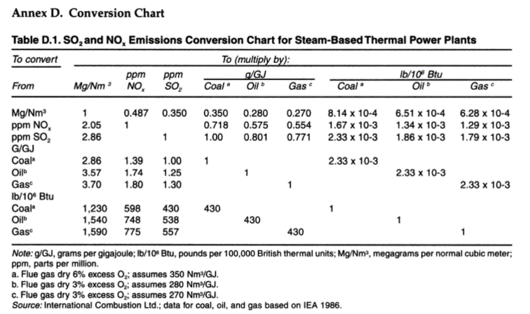
 | Technology | Subcritical coal power plant |  |  |  |  |  |  |  |  | Pollution Prevention and Abatement Handbook, 1998: Toward Cleaner Production, Bind 777
 |  | 2020 | 2030 | 2050 | Uncertainty (2020) |  | Uncertainty (2050) |  | Note | Ref
 | Energy/technical data |  |  |  | Lower | Upper | Lower | Upper
 | Generating capacity for one unit (MWe) | 150 | 150 | 150 | 100 | 200 | 100 | 200 |  | 1
 | Generating capacity for total power plant (MWe) | 150 | 150 | 150 | 100 | 200 | 100 | 200 |  | 1
 | Electricity efficiency, net (%), name plate | 35 | 36 | 37 | 30 | 38 | 33 | 39 |  | 1,2,3
 | Electricity efficiency, net (%), annual average | 34 | 35 | 36 | 29 | 37 | 32 | 38 |  | 1,2,3
 | Forced outage (%) | 7 | 5 | 3 | 5 | 20 | 2 | 7 | A | 1
 | Planned outage (weeks per year) | 6 | 5 | 3 | 3 | 8 | 2 | 4 | A | 1
 | Technical lifetime (years) | 30 | 30 | 30 | 25 | 40 | 25 | 40 |  | 1
 | Construction time (years) | 3 | 3 | 3 | 2 | 4 | 2 | 4 |  | 1
 | Space requirement (1000 m2/MWe) | - | - | - | - | - | - | -
 | Additional data for non thermal plants
 | Capacity factor (%), theoretical | - | - | - | - | - | - | -
 | Capacity factor (%), incl. outages | - | - | - | - | - | - | -
 | Ramping configuration
 | Ramping (% per minute) | 3.5 | 3.5 | 3.5 | 2 | 4 | 2 | 4 | B | 1
 | Minimum load (% of full load) | 30 | 25 | 20 | 25 | 50 | 10 | 30 | A | 1
 | Warm start-up time (hours) | 3 | 3 | 3 | 1 | 5 | 1 | 5 | B | 1
 | Cold start-up time (hours) | 8 | 8 | 8 | 5 | 12 | 5 | 12 | B | 1
 | Environment
 | PM 2.5 (mg per Nm3) | 150 | 100 | 100 | 50 | 150 | 20 | 100 | A,F | 2,4
 | SO2 (degree of desulphuring, %) | 73 | 80 | 95 | 73 | 95 | 73 | 95 | A,C,D | 2,4
 | NOX (g per GJ fuel) | 263 | 150 | 38 | 263 | 263 | 263 | 263 | A,D | 2,4
 | CH4 (g per GJ fuel)
 | N2O (g per GJ fuel)
 | Financial data
 | Nominal investment (M$/MWe) | 1.65 | 1.60 | 1.55 | 1.00 | 1.70 | 1.05 | 1.70 | E,H | 1,3
 | - of which equipment
 | - of which installation
 | Fixed O&M ($/MWe/year) | 45,300 | 43,900 | 42,600 | 34,000 | 56,600 | 32,000 | 53,300 | G | 1,3
 | Variable O&M ($/MWh) | 0.13 | 0.12 | 0.12 | 0.09 | 0.16 | 0.09 | 0.15 | G | 1,3
 | Start-up costs ($/MWe/start-up) | 110 | 110 | 110 | 50 | 200 | 50 | 200 |  | 5

References:
1 | PLN, 2017, data provided the System Planning Division at PLN
2 | Platts Utility Data Institute (UDI) World Electric Power Plant Database (WEPP)
3 | Learning curve approach for the development of financial parameters.
4 | Maximum emission from Minister of Environment Regulation 21/2008
5 | Deutsches Institut für Wirtschaftsforschung, On Start-up Costs of Thermal Power Plants in Markets with Increasing Shares of Fluctuating Renewables, 2016.
Notes:
A | Assumed gradidual improvement to international standard in 2050.
B | Assumed no improvement for regulatory capability.
C | Indonesian sulphur content in coal is up to 360 g/GJ. Conversion factor 0.35 to mg/Nm3 yields 1030 mg/Nm3. With a max of 750 mg/Nm3 then gives a % of desulphuring of 73%.
D | Calculated from a max of 750 mg/Nm3 to g/GJ (conversion factor 0.35 from Pollution Prevention and Abatement Handbook, 1998)
E | For economy of scale a proportionality factor, a, of 0.8 is suggested.
F | Uncertainty Upper is from regulation. Lower is from current standards in Japan (2020) and South Korea (2050).
G | Uncertainty (Upper/Lower) is estimated as +/- 25%.
H | Investment cost include the engineering, procurement and construction (EPC) cost. See description under Methodology.

